Cover


Unit test
Chapter 1 - State of Unit Testing
1. last ~10 years -> push for most unittesting
- Almost all projects useunit testing
- How many tests: anywhere between 1:1 and 1:3 (1 production LOC => one to three lines of test code).
Sometimes -> 1:10
Software goes through continuous change --> may last for decades.
Must have test suites ... How does SE know if break some function while impl change?
Question is NOT should you have a suite of unit tests
But - what are the best tests to create?

Goal of unit test -> to enable sustainable group of a project ... sustainable over time

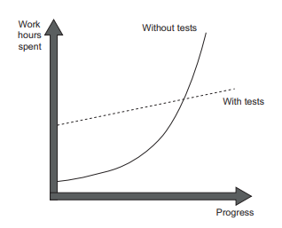

Software Entropy -> Projects -> without tests
has a head start but quickly slows down => hard to change

UnAbility to unit test code -> points out poor-quality code with relatively high accuracy.
If you find that code is hard to unit test, it’s a strong sign that the code needs improvement.
The poor quality usually manifests itself in tight coupling, which means different pieces of production code are not decoupled from each other enough, and it’s hard to test them separate
BUT just because CAN test code -> Not necesarrily mean it is high quality

Software Entropy -> Code base tend to deterioate.
Each change leads to more disorder
E.g., fix a bug -> introducs another
- or mess up logic in method

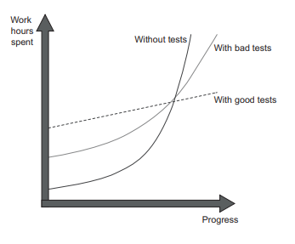
Test quality matters ...
Poorly constructed tests don't help that much

Designing test slows down development BUT help keep software stable in the longer run

Unit test help detect deature regression
DEFINITION A regression is when a feature stops working as intended after a certain event (usually, a code modification).

Coverage Metrics
Using coverage metrics to measure test suite quality

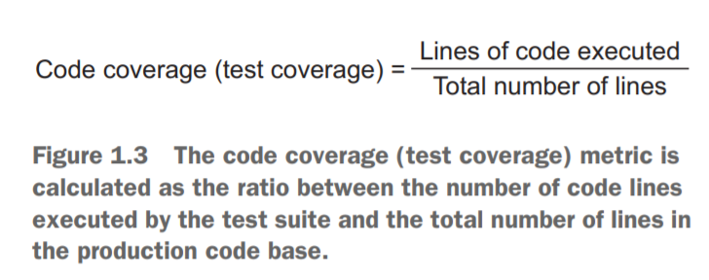

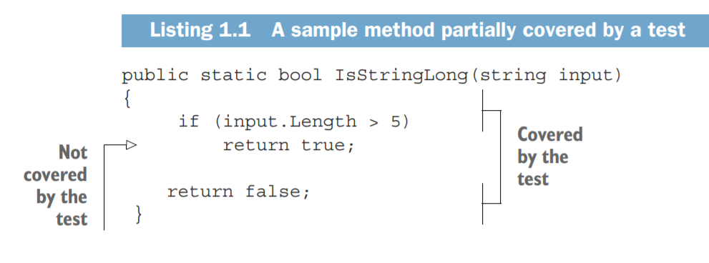

The total number of lines in the method is five (curly braces count, too).
LOC in test-> 4
LOC Not in test -> 5
This gives us 4/5 = 0.8 = 80% code coverage.

Note that if refactor ...

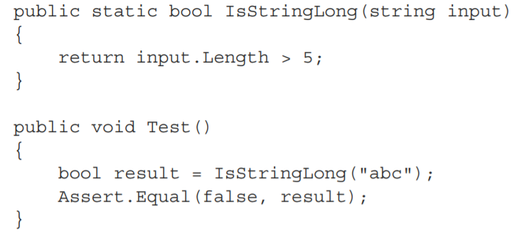

Now -> Coverage is 100%
test now exercises all three lines of code (the return statement plus two curly braces),
the code coverage increases to 100%

BrnachCoverage
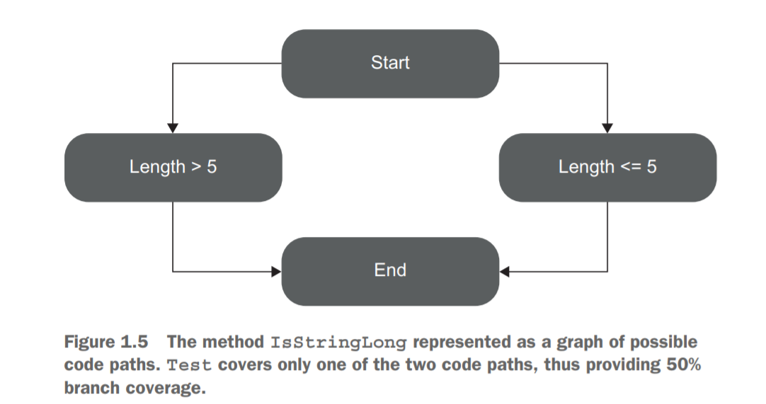
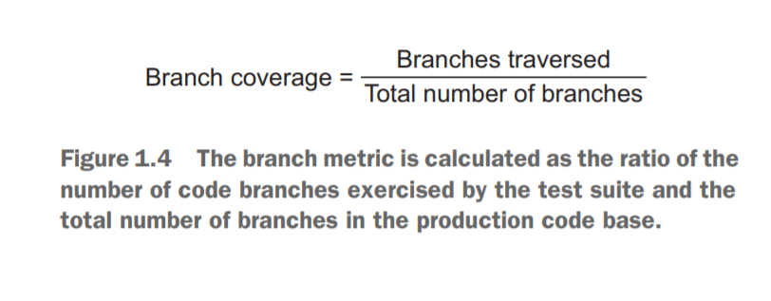

Focus on control structures, such as if and switch statements
. It shows how many of such control structures are traversed by at least one test in the suite

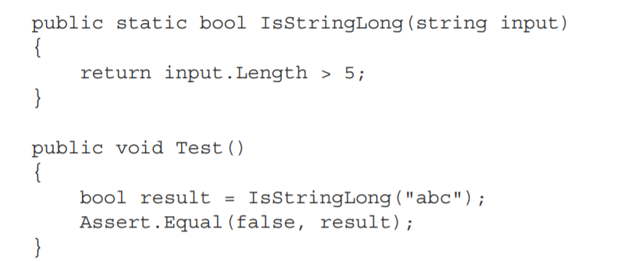
recognize:
-> two branches in the IsStringLong method:
1. when the length of the string argument > 5
2. when it’s not. T
he test covers only one of these branches, so the branch coverage metric is 1/2 = 0.5 = 50%

Problm with coveragge metrics
2 issues with unit tests:
1. You can’t guarantee that the test verifies all the possible outcomes of the system under test.
2. No coverage metric can take into account code paths in external libraries.

1. You can’t guarantee that the test verifies all the possible outcomes of the system under test.

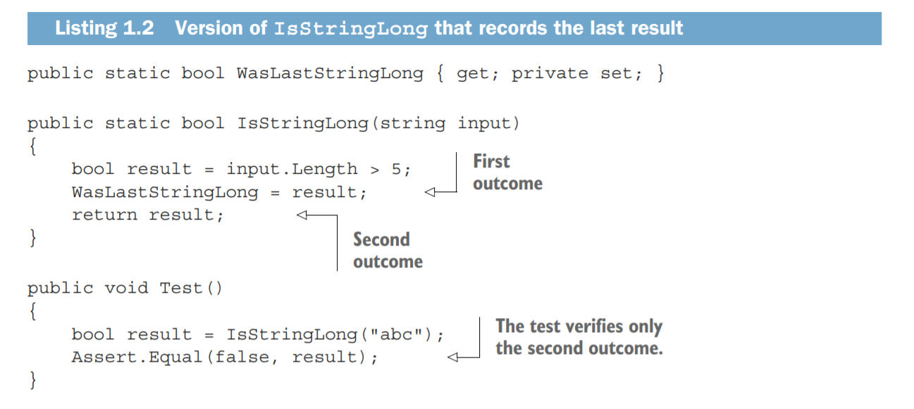

Notice that this method has a 'side' effect of setting
the WasLastStringLong Property

This test covers the 2nd outcome ... but not the 1st

Despite not covering the 'implicit' property setting:
the coverage metrics would still show the same results:
100% for the code coverage and 50% for the branch coverage.

These tests have not assertion ... always passes AND will show 100% coverage

2. No coverage metric can take into account code paths in external libraries.

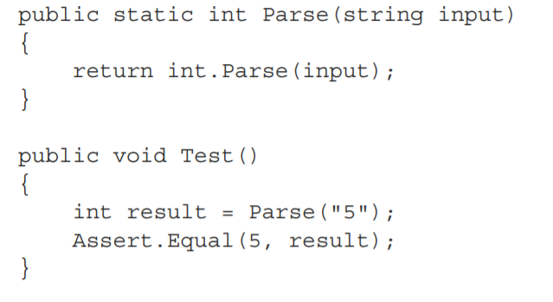

A coverage metric -> 100% BUT parse internally has lots of other paths

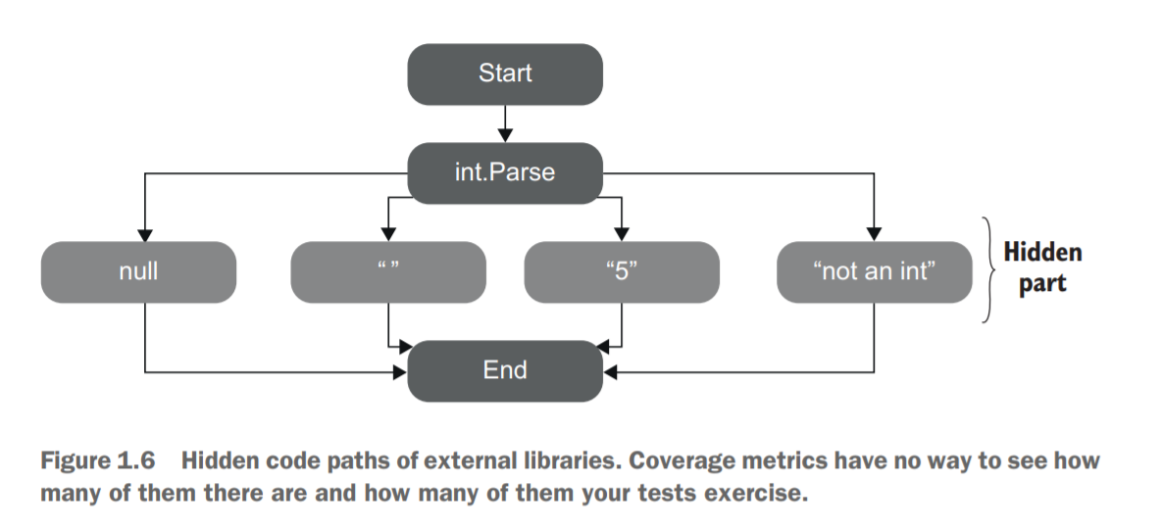

Coverage overage metrics are a good negative indicator, but a bad positive one.
Low coverage numbers—say, below 60%—are a certain sign of trouble.
(Lots of untested code )
But high numbers don’t mean anything.
=>code coverage ONLY 1st step on the way to a quality test suite.

Bottom line: Coverage metircs -> NOT tell whether if tests are exhaustive;
nor can they say if you have enough tests.

Good Test Suite
A successful test suite has the following properties:
It’s integrated into the development cycle.
It targets only the most important parts of your code base.
It provides maximum value with minimum maintenance costs.

Why JUnit
